Descargas de la APP
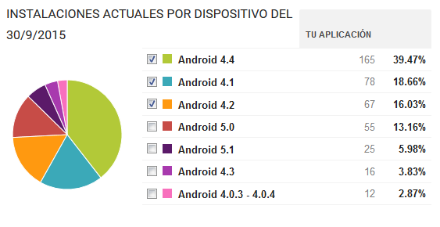

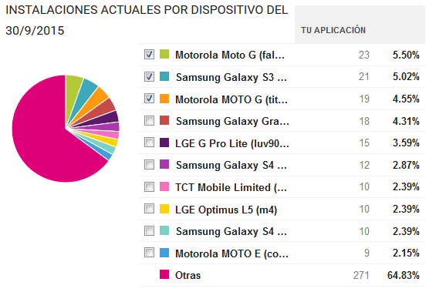

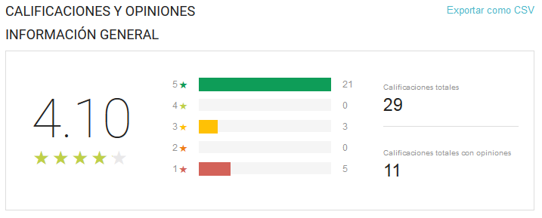

Usuarios
 | Total
Hombre | 8
Mujer | 6
Hombre | 44
Mujer | 17
Hombre | 11
Mujer | 3
Hombre | 16
Mujer | 4
Hombre | 21
Mujer | 6
Row Labels | Suma de Usuarios
< 18
Hombre | 8
Mujer | 6
18-25
Hombre | 44
Mujer | 17
31-40
Hombre | 11
Mujer | 3
26-30
Hombre | 16
Mujer | 4
> 40
Hombre | 21
Mujer | 6
Grand Total | 136

Total de conexiones
Row Labels | Cuenta de Usuario
04 | 279
05 | 109
06 | 174
07 | 155
08 | 187
09 | 174
10 | 272
11 | 119
12 | 158
13 | 226
14 | 121
15 | 125
16 | 78
17 | 111
18 | 135
19 | 92
20 | 109
21 | 178
22 | 133
23 | 171
Grand Total | 3106

Paginas mas visitadas
Interes | Visitas
infoc2.duba.net | 641
urlauth.ksmobile.net | 436
profile.adkmob.com | 331
ping.wimapwifi.com | 223
ssdk.adkmob.com | 186
i.instagram.com | 148
locker.data.ksmobile.net | 109
www.google.com | 77
helpwhitetile1.ksmobile.com | 60
cmdts.ksmobile.com | 47

